1. Title Page
Instacart Basket Analysis
Completed May 2022
by Mateusz M

Contents:
Population Flow
Consistency checks
Wrangling steps
Column derivations
Visualizations & Recommendations

Data used:
“The Instacart Online Grocery Shopping Dataset 2017”, Accessed from https://www.instacart.com/datasets/grocery-shopping-2017 on 05/05/2022

2. Population Flow
Title page

Population flow

Exclusion flag
Condition: max_order < 5
Obervations to be removed: 1,445,877
Final total count of final_dataframe: 326,41268

orders_products_combined
orders_products_merged
ords_final

Total: 32,434,489
Total: 32,434,489
Total: 326,41268

3. Consistency checks
 |  |  |  |  | Title page
Consistency checks

Dataset | Missing values | Missing values treatment | Duplicates | Duplicates treatment
orders | 206209 | contextualization: first_order flag created | 0 | No issues, non action taken
products | 16 | missing values has been removed | 5 | Duplicates removed
orders_products_prior | 0 | No issues,no action taken | 0 | No issues, no action taken
customers | 0 | No issues, no action taken | 0 | No issues, no action taken

4. Wrangling steps
 |  |  |  | Title page
Wrangling steps

Columns dropped | Columns renamed | Columns' type changed | Comment/Reason
eval_set |  |  | Could get any information from it,useless

 |  | order_id | changed datatype to string instead of int
 |  | user_id | changed datatype to string instead of int
 | First_Name to first_name |  | Changed into "first_name"
Name |  |  | Dropped for data security/PII.Vunerable data
 | STATE to State |  | Changed for for clarity
 | n_dependants to Number_of_dependants |  | Changed for clarity
 | Surnam to Surname |  | Error in spelling

5. Column derivations
 |  |  |  | Title page

Column derivations and aggregations

Dataset | New column | Column/s it was derived from | Conditions
orders | first_order | days_since_prior_order | null
ords_products_merged | price_range_loc | prices | <5 = Low-range product, 5-15 = Mid-range product, >15 = High-range product
 | busiest_period_of_day | order_hour_of_day | 9am-4pm = Most orders, 5pm-10pm and 7am-8am = Average orders, 11pm-6am = Fewest orders
 | max_order | user_id, order_number | groupby user_id, max order_number
 | loyalty_flag | max_order | 40 or more orders = Loyal customer, between 10 and 40 orders = Regular customer, less than 10 orders = New customer
 | spending_flag | avg_spend | spending over $10 per item on average = High spender, spending less than $10 per item on average = Low spender

 | frequency | days_since_prior_order | average time in between orders greater than 20 days = Non-frequent customer, between 10-20 days = Regular customer, less than 10 days = Frequent customer
ords_final | Region | State | States arranged into their respective four regions: Northeast, Midwest, South, West
 | income_group | income | Income less than 32000 = "<32K" ,Income beetween32000 -53000 = "32K-53K'' ,Income beetween 53000-107000 "53K-107K, Income beetween 107000-374000 ="107K-374K' and Income More than 374= ''>374''.
 | Age_Distribution | Age | Age groups 18-25, 26-41,42-57 and 57 and more
 | departmen_name | department_id | Changed numbers of departments to names exaple department id= 1 changed to frozen
 | Top_5 departaments | departament_name | Top 5 departaments only
 | Time_of_the_Day | order_hour_of_day | day divided into three times of the day
 | day_of_week | order_dow | the number was replaced with the day
 | price_range_loc | prices | <5 = Low-range product, 5-15 = Mid-range product, >15 = High-range product. I had to do a new one

6. Visualizations
 | Title page

Visualizations

1. What are the busiest days of the week and hours of the day?

2. Are there particular times of the day people spend the most money?

3.Instacart has a lot of products with different price tags. Marketing and sales want to use simpler price range groupings to help direct their efforts.

4. Are there certain types of products more popular than others? Which departments have the highest frequency of product orders?

5. What is the distribution among users in regard to their brand loyalty (i.e., how often do they return to Instacart?)

6. Are there differences in ordering habits based on a customer’s loyalty status?

7.Are there differences in ordering habits based on a customer’s region?

8.Is there a connection between age and family status in terms of ordering habits?

9. What different classifications does the demographic information suggest? Age?Income?Certain types of goods? Family status?

10. What differences can you find in the ordering habits of different customer profiles? Consider prices of order, the frequency,anything you can think of?

1. Busiest Days of the Week & Hours of the Day
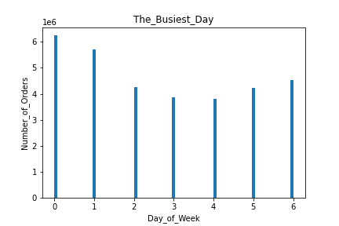
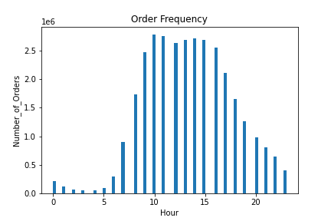

The smallest number of orders is in the late hours, the peak of orders starts at 9 and lasts until 17, then the number of orders drops
The above charts shows the busiest days of the week (left)
Most orders are on Saturday (number 0). Sunday is in second place.Days in the middle of the week (Tuesday, Wednesday) are the days with the least orders

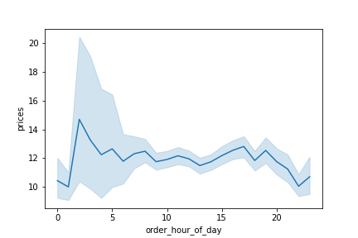
2. Spending per Hour

This chart shows the prices of the products purchased each hour. The difference in price is not big, so it's hard to find a clear pattern here.
The most expensive products are bought late at night. Maybe then you could focus on advertising premium products

3. Price Range Groupings
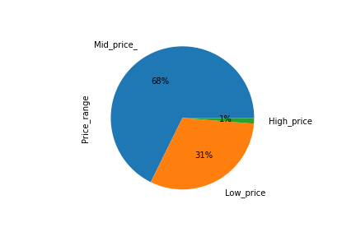

The products are divided into three categories: Low range price- products for $ 5 and me, Mid range price- products in the price range from $ 5 to $ 15 and high range price for products over $ 15

4. Most Popular Types of Products

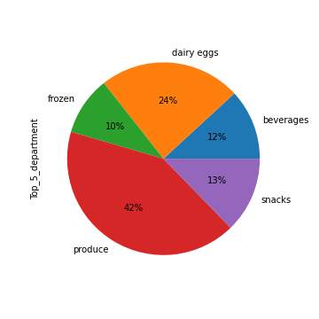

Produce is the most popular department, then dairy and eggs, beverages and frozen.

5. Distribution of Customers
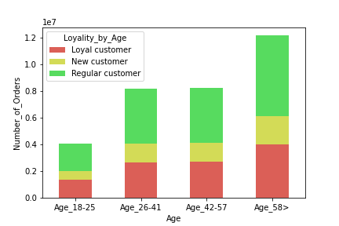
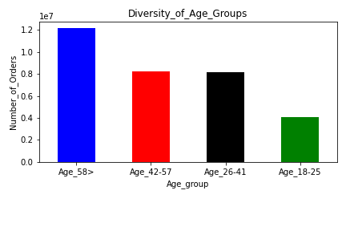

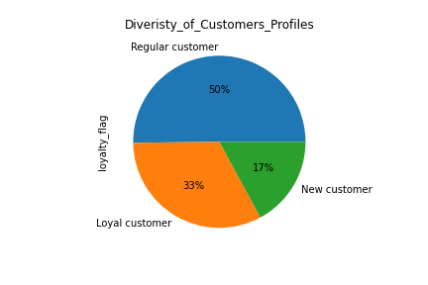

The largest group of customers is the "Regular Customers" group. This group of customers is also the largest in each age group.

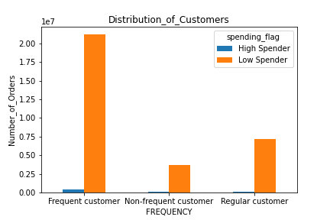
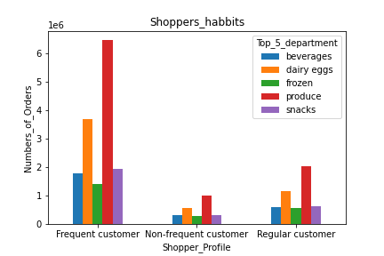
6.Are there differences in ordering habits based on a customer’s loyalty status?

The charts look very similar when we choose the appropriate criterion, no matter if it is divided into age, frequency of shopping or the amount of money spent.

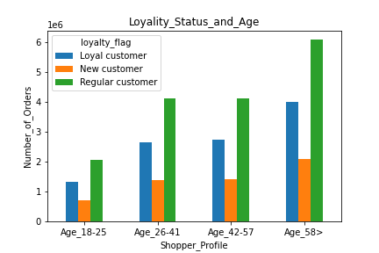
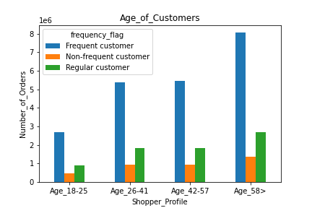

7.Are there differences in ordering habits based on a customer’s region?
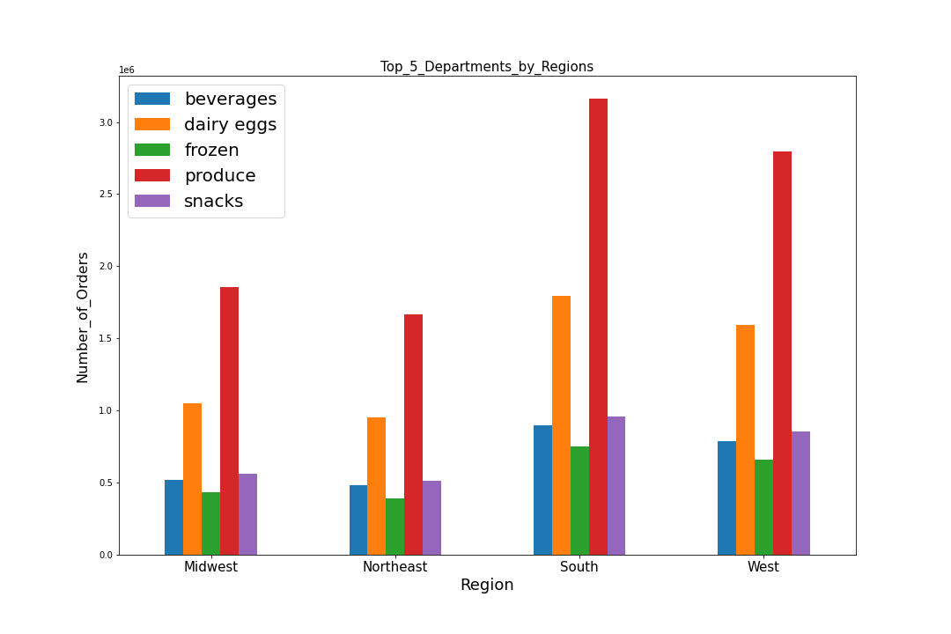

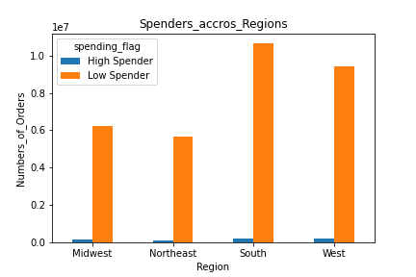

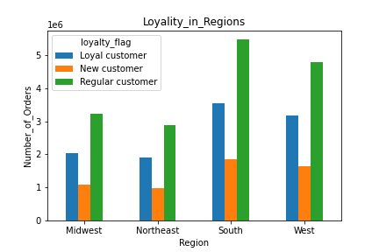

The differences between the regions are very small. I believe that strategies can be compiled for the entire market, without breaking down by region

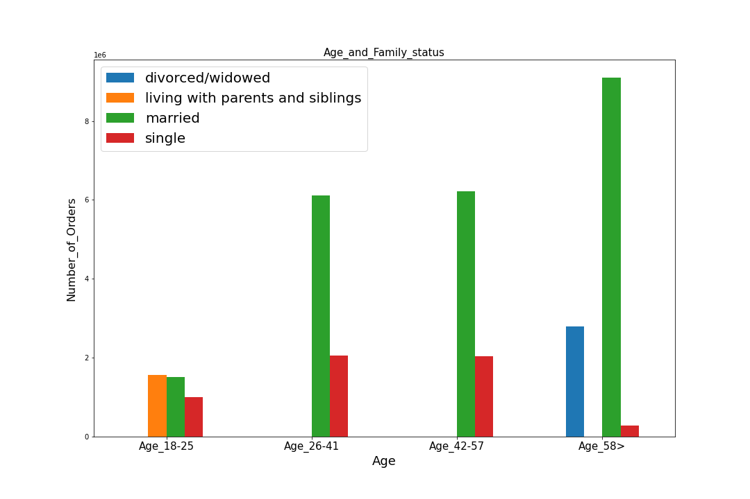

8.Is there a connection between age and family status in terms of ordering habits?

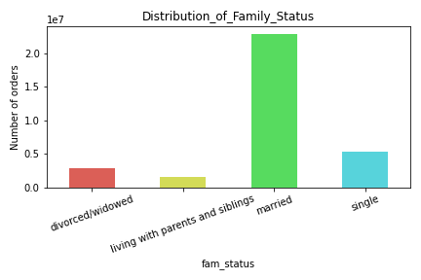

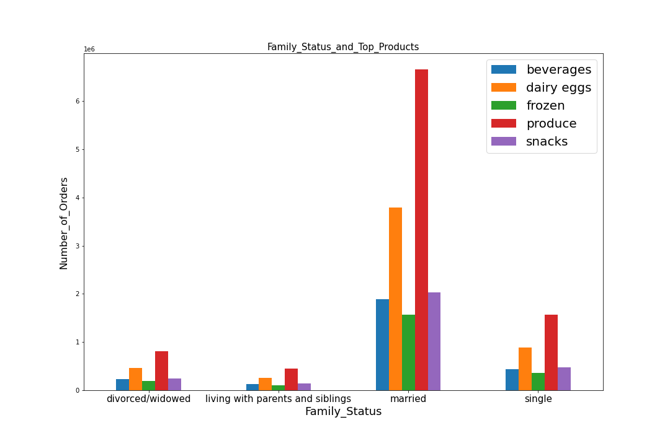

The largest group of customers are married people. Compared to other groups, they buy less beverages, but my share in purchases from the production department is higher. People in the group of singles buy more drinks.

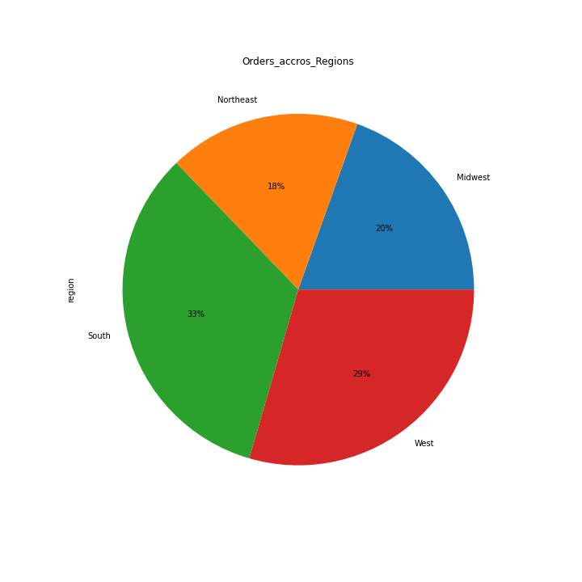

9. What different classifications does the demographic information suggest? Age?Income?Certain types of goods? Family status?

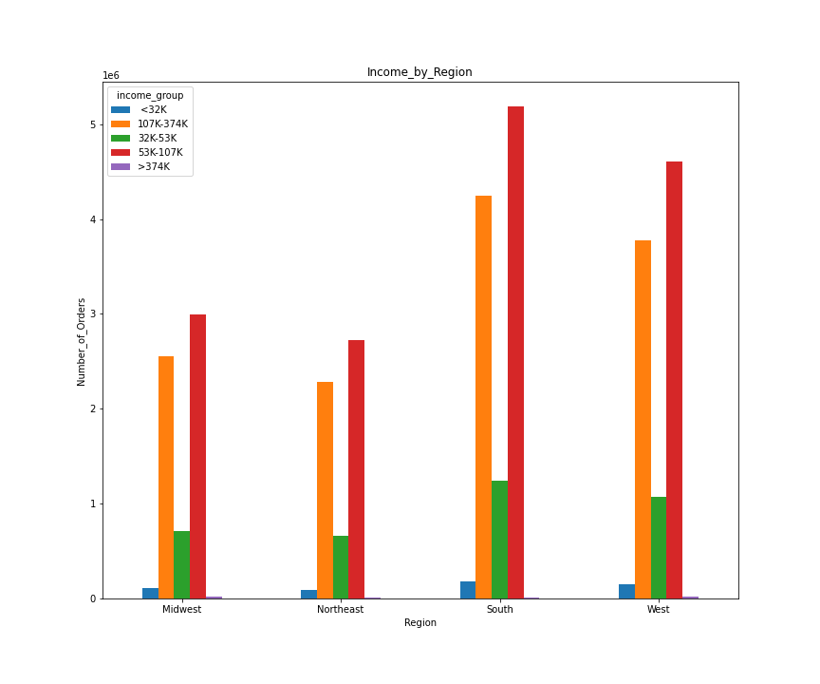

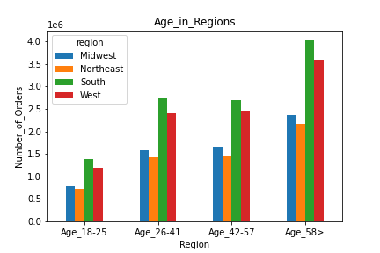

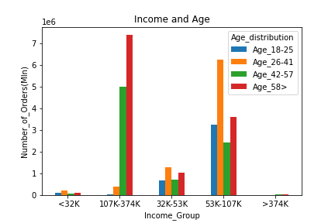

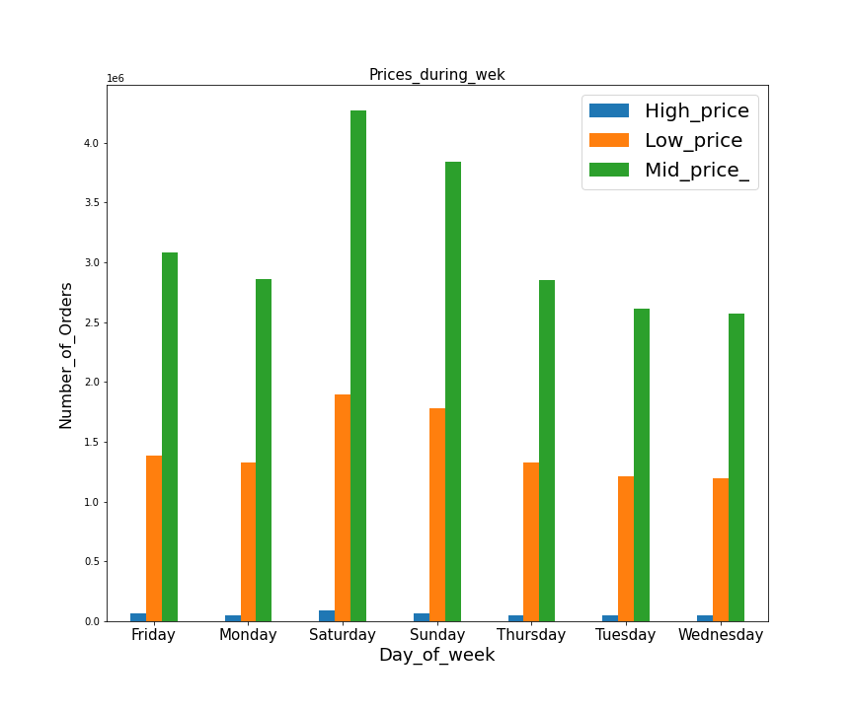

10. What differences can you find in the ordering habits of different customer profiles? Consider prices of order, the frequency,anything you can think of?

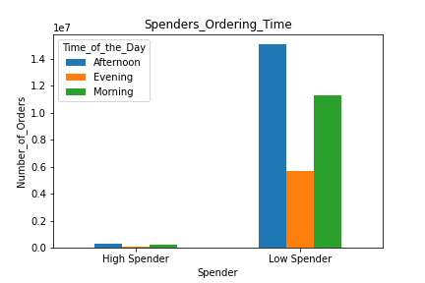

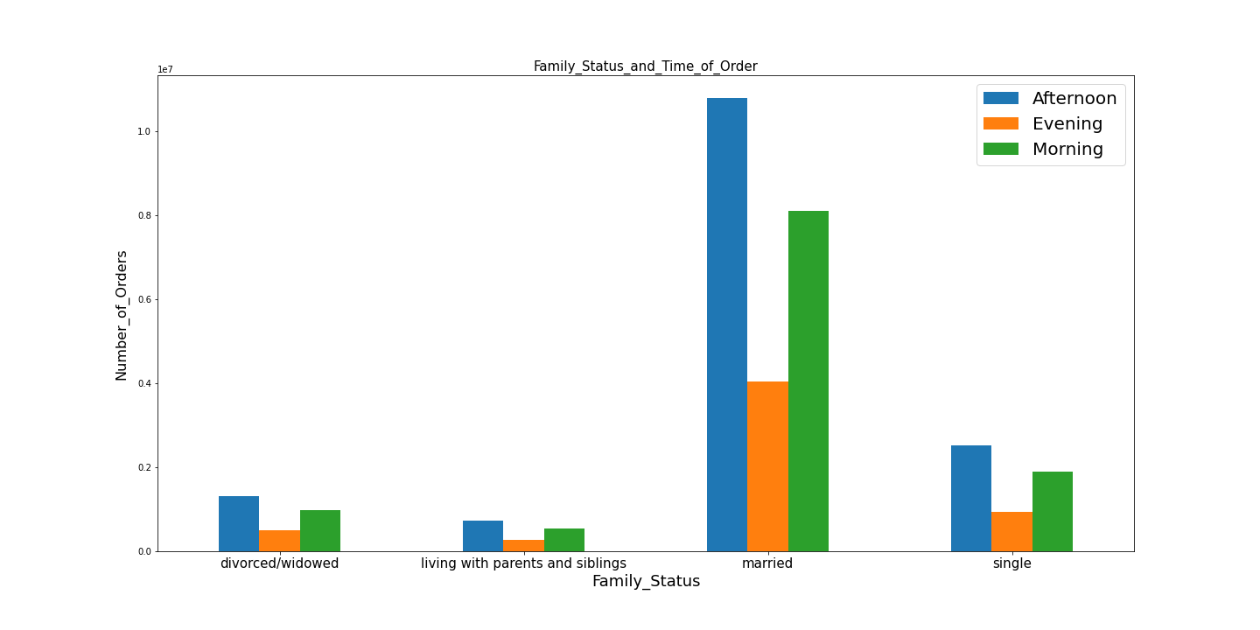
It is very hard to find a difference. Most of the behavior and preferences of customers remain the same even after selecting the sub-division category

7. Recommendations
 |  |  | Title page

Recommendations

In this tab you should include any recommendations you would made to Instcart in terms of their marketing strategy based on the questions posed in the brief. Every key question has been covered in the Tasks of the Exercises - here you need to add an item - a visualisation or table/crosstable that is showing the answer in the data, acompanied by a comment from you. Please, list the questions below and add the answer underneath.

 |  | Recommendations

1. | Saturday and Sunday are the days when customers place the most orders. In the middle of the weeks, that is on Tuesday and Wednesday, customers place the fewest orders.

 | On these days, I would suggest increasing the amount of advertising. It is worth remembering that the hours when the most orders are placed are 10-17.

2. | At peak times, the company could promote the things it is most interested in selling.

3. | A regular customer is the largest group of customers. Only these customers and those of the New customer's group could be encouraged to shop online more often.

4. | General advertising campaigns can equally target customers all over the country.

5. | Income-based advertising campaigns should target people with an income between 53k-107k.

1. | Saturday and Sunday are the days when customers place the most orders. In the middle of the weeks, that is on Tuesday and Wednesday, customers place the fewest orders.

 | On these days, I would suggest increasing the amount of advertising. It is worth remembering that the hours when the most orders are placed are 10-17.

2. | At peak times, the company could promote the things it is most interested in selling.

3. | A regular customer is the largest group of customers. Only these customers and those of the New customer's group could be encouraged to shop online more often.

4. | General advertising campaigns can equally target customers all over the country.

5. | Income-based advertising campaigns should target people with an income between 53k-107k.

